1-2
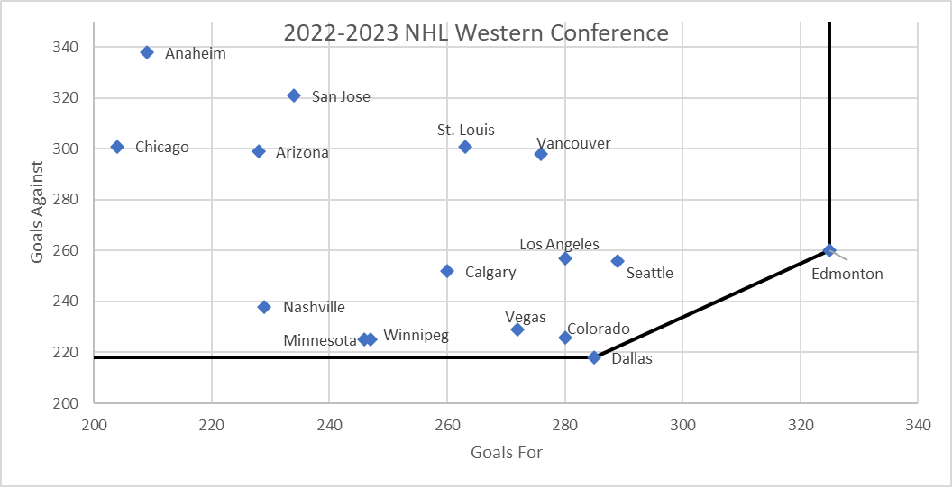
The plot above shows an efficient frontier for the hockey teams in the Western Conference of the NHL for 2022-2023, based on “Goals For” and “Goals Against”. Higher numbers are better for “Goals For”, and lower numbers are better for “Goals Against”.
1. (1 pt.) Which one of the following is true?
a) Winnipeg dominates Los Angeles
b) Edmonton dominates Calgary
c) Colorado dominates Anaheim
d) Anaheim dominates Arizona
Answer: c
Edmonton does not dominate Calgary because Calgary has lower Goals Against
Colorado dominates Anaheim because it has higher Goals For and lower Goals Against
Anaheim does not dominate Arizona because Arizona has higher Goals For and lower Goals Against (in fact, Arizona dominates Anaheim)
Winnipeg does not dominate Los Angeles because Los Angles has higher Goals For
2. (1 pt.) Other than Dallas and Edmonton, which other NHL team is not dominated by any other team in this dataset?
a) Seattle
b) Minnesota
c) Nashville
d) Chicago
Answer: a
Minnesota is dominated by Dallas
Nashville is dominated by Minnesota, Winnipeg, Vegas, Colorado, and Dallas
Chicago is dominated by several other teams such as Arizona, Nashville, and Los Angles.
But there is no team dominating Seattle, meaning there is no other team that has higher Goals For and lower Goals Against than Seattle

3-4
3. (1 pt.) Which one of the following is true for a resource that is not fully used in the optimal solution?
a) Its shadow price is zero
b) Its allowable increase is a very large number
c) The optimal solution does not change if we get additional units of that resource
d) All of the above
Answer: d
When a resource is not fully utilized in the optimal solution, it means there will be no use for any additional units of it. So we won't be able to increase the objective value if we get some extra units (shadow price = 0), and the optimal solution wouldn't change either. And no matter how many extra units we get, all these predictions hold true (meaning the allowable increase is technically infinite).
4. (1 pt.) The formula =IF(RAND()>0.8,"Tie",IF(RAND()>0.4,"Win","Lose")) returns “Win” with a probability of
a) 32%
b) 48%
c) 16%
d) 12%
Answer: b
To have "Win" as the outcome, the first RAND() value should be <= 0.8 (this has a probability of 0.8) and the second RAND() value should be > 0.4 (this has a probability of 1-0.4=0.6). As the two RAND() values are independent, the joint probability is 0.8 * 0.6 = 0.48

10
WestPlast Product Mix
Pellet | Market | Revenue per thousand tons | Demand (thousands of tons) | Contracts (thousands of tons) | Production Plan (thousands of tons) | Produced? Yes/No | Upper bound: (Yes/No)*Demand
E | Canada | $14,050.00 | 10 | 0 | 0.00 | 0 | 0
B | Altoil | $15,235.00 | 12 | 12 | 12.00 | 1 | 12
C | Canada | $13,983.00 | 5 | 0 | 0.00 | 0 | 0
A1 | Colpop | $12,953.00 | 15 | 15 | 15.00 | 1 | 15
C | Export | $13,756.00 | 8 | 0 | 0.00 | 0 | 0
A2 | Canada | $13,952.00 | 25 | 0 | 0.00 | 0 | 0
F2 | Calcan | $11,598.00 | 35 | 35 | 35.00 | 1 | 35
D | Local | $16,589.00 | 55 | 0 | 55.00 | 1 | 55
A2 | Export | $13,698.00 | 40 | 0 | 40.00 | 1 | 40
F1 | Canada | $13,587.00 | 35 | 0 | 35.00 | 1 | 35

 |  |  |  | Total Revenue | $2,718,905.00

We have made some changes to have a model similar to the WestPlast problem with fewer products (see 14_WestPlast_Fewer_Products_24_Oct_23.xlsx). This means adding the binary variables and updating the upper bound constraints. We also added a new variables to decide on the number of products to drop from the production plan (and we added an integer constraint for this variable) and updated the formula for capacity such that based on the number of products dropped, the capacity would increase by 25 per each product dropped.
 |  | Available | Used
 | Capacity (thousands of tons): | 215 | 192

 |  | Number of products in the current solution: | 8
 |  | Number of products to drop: | 2
 |  | Limit on the number of producrs produced: | 6
 |  | Number of products in the new solution: | 6

 |  | Increase in capacity per product dropped: | 25 | thousands of tons

Note: You can also answer this question by solving a series of models one at a time. First, limit the number of the products produced to 7 and manually increase the production capacity by 25. The model you need to solve is exactly the same as the one we had in the lecture (see 14_WestPlast_Fewer_Products_24_Oct_23.xlsx).
Then solve another version of the model by limiting the number of products reduced to 6 and manually increase the current capacity by 50. And then solving another model with the limit on the number of products <= 5.
If you run these three models, you will see that the total revenue increases for limit = 7 and then it further increases for limit = 6 but it decreases if you set the limit = 5.
So the optimal number of products produced is 6, which means we need to drop 2 products.
See the other worksheets for this comparison.
 | Question 10
 | Pellet | Market | Production Plan (thousands of tons)
 | E | Canada | 0.00
 | B | Altoil | 12.00
 | C | Canada | 0.00
 | A1 | Colpop | 15.00
 | C | Export | 0.00
 | A2 | Canada | 0.00
 | F2 | Calcan | 35.00
 | D | Local | 55.00
 | A2 | Export | 40.00
 | F1 | Canada | 35.00

 | Number of products to drop | 2

 | New production capacity | 215

 | Total revenue | $2,718,905.00

10 (# of products<=7)
WestPlast Product Mix
Pellet | Market | Revenue per thousand tons | Demand (thousands of tons) | Contracts (thousands of tons) | Production Plan (thousands of tons) | Produced? Yes/No | Upper bound: (Yes/No)*Demand
E | Canada | $14,050.00 | 10 | 0 | 10.00 | 1 | 10
B | Altoil | $15,235.00 | 12 | 12 | 12.00 | 1 | 12
C | Canada | $13,983.00 | 5 | 0 | 0.00 | 0 | 0
A1 | Colpop | $12,953.00 | 15 | 15 | 15.00 | 1 | 15
C | Export | $13,756.00 | 8 | 0 | 0.00 | 0 | 0
A2 | Canada | $13,952.00 | 25 | 0 | 25.00 | 1 | 25
F2 | Calcan | $11,598.00 | 35 | 35 | 35.00 | 1 | 35
D | Local | $16,589.00 | 55 | 0 | 55.00 | 1 | 55
A2 | Export | $13,698.00 | 40 | 0 | 38.00 | 1 | 40
F1 | Canada | $13,587.00 | 35 | 0 | 0.00 | 0 | 0

 |  |  |  | Total Revenue | $2,705,264.00

Note: The model here is exactly the same as the mode we had in 14_WestPlast_Fewer_Products_24_Oct_23.xlsx.
We set the limit to 7. We see the total revenue increased compared to the original optimal solution. So we reduced the limit by one and re-run the model. See the next worksheet.
 |  | Available | Used
 | Capacity (thousands of tons): | 190 | 190

 |  | Number of products in the current solution: | 8
 |  | Number of products in the new solution: | 7
 |  | Limit on the number of products: | 7

 |  | Increase in capacity per product dropped: | 25 | thousands of tons

 | Question 10
 | Pellet | Market | Production Plan (thousands of tons)
 | E | Canada | 10.00
 | B | Altoil | 12.00
 | C | Canada | 0.00
 | A1 | Colpop | 15.00
 | C | Export | 0.00
 | A2 | Canada | 25.00
 | F2 | Calcan | 35.00
 | D | Local | 55.00
 | A2 | Export | 38.00
 | F1 | Canada | 0.00

 | Number of products to drop | 1

 | New production capacity | 190

 | Total revenue | $2,705,264.00

10 (# of products<=6)
WestPlast Product Mix
Pellet | Market | Revenue per thousand tons | Demand (thousands of tons) | Contracts (thousands of tons) | Production Plan (thousands of tons) | Produced? Yes/No | Upper bound: (Yes/No)*Demand
E | Canada | $14,050.00 | 10 | 0 | 0.00 | 0 | 0
B | Altoil | $15,235.00 | 12 | 12 | 12.00 | 1 | 12
C | Canada | $13,983.00 | 5 | 0 | 0.00 | 0 | 0
A1 | Colpop | $12,953.00 | 15 | 15 | 15.00 | 1 | 15
C | Export | $13,756.00 | 8 | 0 | 0.00 | 0 | 0
A2 | Canada | $13,952.00 | 25 | 0 | 0.00 | 0 | 0
F2 | Calcan | $11,598.00 | 35 | 35 | 35.00 | 1 | 35
D | Local | $16,589.00 | 55 | 0 | 55.00 | 1 | 55
A2 | Export | $13,698.00 | 40 | 0 | 40.00 | 1 | 40
F1 | Canada | $13,587.00 | 35 | 0 | 35.00 | 1 | 35

 |  |  |  | Total Revenue | $2,718,905.00

Note: The model here is exactly the same as the mode we had in 14_WestPlast_Fewer_Products_24_Oct_23.xlsx.
We reduced the limit to 6. We see the total revenue increased to limit = 7. So we futher reduced the limit by one and re-run the model. See the next worksheet.
 |  | Available | Used
 | Capacity (thousands of tons): | 215 | 192

 |  | Number of products in the current solution: | 8
 |  | Number of products in the new solution: | 6
 |  | Limit on the number of products: | 6

 |  | Increase in capacity per product dropped: | 25 | thousands of tons

 | Question 10
 | Pellet | Market | Production Plan (thousands of tons)
 | E | Canada | 0.00
 | B | Altoil | 12.00
 | C | Canada | 0.00
 | A1 | Colpop | 15.00
 | C | Export | 0.00
 | A2 | Canada | 0.00
 | F2 | Calcan | 35.00
 | D | Local | 55.00
 | A2 | Export | 40.00
 | F1 | Canada | 35.00

 | Number of products to drop | 2

 | New production capacity | 215

 | Total revenue | $2,718,905.00

10 (# of products<=5)
WestPlast Product Mix
Pellet | Market | Revenue per thousand tons | Demand (thousands of tons) | Contracts (thousands of tons) | Production Plan (thousands of tons) | Produced? Yes/No | Upper bound: (Yes/No)*Demand
E | Canada | $14,050.00 | 10 | 0 | 0.00 | 0 | 0
B | Altoil | $15,235.00 | 12 | 12 | 12.00 | 1 | 12
C | Canada | $13,983.00 | 5 | 0 | 0.00 | 0 | 0
A1 | Colpop | $12,953.00 | 15 | 15 | 15.00 | 1 | 15
C | Export | $13,756.00 | 8 | 0 | 0.00 | 0 | 0
A2 | Canada | $13,952.00 | 25 | 0 | 0.00 | 0 | 0
F2 | Calcan | $11,598.00 | 35 | 35 | 35.00 | 1 | 35
D | Local | $16,589.00 | 55 | 0 | 55.00 | 1 | 55
A2 | Export | $13,698.00 | 40 | 0 | 40.00 | 1 | 40
F1 | Canada | $13,587.00 | 35 | 0 | 0.00 | 0 | 0

 |  |  |  | Total Revenue | $2,243,360.00

Note: The model here is exactly the same as the mode we had in 14_WestPlast_Fewer_Products_24_Oct_23.xlsx.
We reduced the limit to 5. We see the total revenue decreased here. So we should stop here.
 |  | Available | Used
 | Capacity (thousands of tons): | 240 | 157

 |  | Number of products in the current solution: | 8
 |  | Number of products in the new solution: | 5
 |  | Limit on the number of products: | 5

 |  | Increase in capacity per product dropped: | 25 | thousands of tons

 | Question 10
 | Pellet | Market | Production Plan (thousands of tons)
 | E | Canada | 0.00
 | B | Altoil | 12.00
 | C | Canada | 0.00
 | A1 | Colpop | 15.00
 | C | Export | 0.00
 | A2 | Canada | 0.00
 | F2 | Calcan | 35.00
 | D | Local | 55.00
 | A2 | Export | 40.00
 | F1 | Canada | 0.00

 | Number of products to drop | 3

 | New production capacity | 240

 | Total revenue | $2,243,360.00

11
Examples of acceptable answers.
Question 11 | We will enforce additional, unnecessary correlation if we use the same rand() values. We will associate demand in rainy days with lower than normal values and vice versa

Length: | 169 | < Keep it under 200 characters

Question 11 | It would lead to systematic bias. Low Rand values mean Rain and lower-than-normal demands. High Rand values mean No Rain and higher-than-normal demands, creating a false correlation.

Length: | 182 | < Keep it under 200 characters

Question 11 | We are not comparing decision alternatives so we should not be using common RAND() values

Length: | 89 | < Keep it under 200 characters

